Graphs
Participant | Recycling Knowledge | Likeliness to recycle at home | Likeliness to recycle when out and about | Overall Likeliness | Usability | Understandability | User Satisfaction
1 | 2 | 2.5 | 1.5 | 2 | 5 | 5 | 5
2 | 4 | 4 | 2 | 3 | 3.5 | 3.75 | 3.625
3 | 3 | 5 | 3 | 4 | 5 | 4 | 4.5
4 | 4 | 5 | 3.5 | 4.25 | 3.5 | 5 | 4.25
5 | 3 | 5 | 2 | 3.5 | 5 | 4 | 4.5
6 | 3.5 | 4.5 | 4 | 4.25 | 4.5 | 4 | 4.25
7 | 4 | 5 | 2.5 | 3.75 | 4 | 5 | 4.5
Average | 3.3571428571 | 4.4285714286 | 2.6428571429 | 3.5357142857 | 4.3571428571 | 4.3928571429 | 4.375

 | knowledge | likeliness
1 | 2 | 2
3 | 3 | 4
5 | 3 | 3.5
6 | 3.5 | 4.25
2 | 4 | 3
4 | 4 | 4.25
7 | 4 | 3.75

 | likeliness | satisfaction
1 | 2 | 5
2 | 3 | 3.625
5 | 3.5 | 4.5
7 | 3.75 | 4.5
3 | 4 | 4.5
4 | 4.25 | 4.25
6 | 4.25 | 4.25

 | knowledge | satisfaction
1 | 2 | 5
3 | 3 | 4.5
5 | 3 | 4.5
6 | 3.5 | 4.25
2 | 4 | 3.625
4 | 4 | 4.25
7 | 4 | 4.5

Statistical significance
Pearson Correlation Coefficient
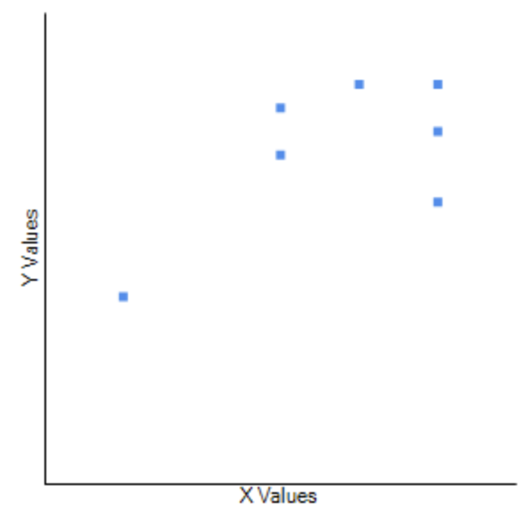
Recycling Knowledge | x | 2 | 4 | 3 | 4 | 3 | 3.5 | 4 | 3.3571428571 |  | N | 7 | N - 2 = 5
Likeliness to Recycle | y | 2 | 3 | 4 | 4.25 | 3.5 | 4.25 | 3.75 | 3.5357142857 |  | r | 0.62938980612 | Moderate Positive Correlation
Standard Deviation | sigma x | -1.3571428571 | 0.64285714286 | -0.35714285714 | 0.64285714286 | -0.35714285714 | 0.14285714286 | 0.64285714286 |  |  | t | 1.8110628788
 | sigma y | -1.5357142857 | -0.53571428571 | 0.46428571429 | 0.71428571429 | -0.035714285714 | 0.71428571429 | 0.21428571429 | Sum |  | p | 0.1 > p > 0.05 | The result is not significant at alpha < 0.05
Product |  | 2.0841836735 | -0.3443877551 | -0.16581632653 | 0.45918367347 | 0.012755102041 | 0.10204081633 | 0.13775510204 | 2.2857142857 | Product of the Square Roots
Standard Deviation ^ 2 | sigma x ^ 2 | 1.8418367347 | 0.41326530612 | 0.12755102041 | 0.41326530612 | 0.12755102041 | 0.020408163265 | 0.41326530612 | 3.3571428571 | 3.6316353768
 | sigma y ^2 | 2.3584183673 | 0.28698979592 | 0.21556122449 | 0.51020408163 | 0.0012755102041 | 0.51020408163 | 0.045918367347 | 3.9285714286

Recycling Knowledge | x | 2 | 4 | 3 | 4 | 3 | 3.5 | 4 | 3.3571428571 |  | N | 7 | N - 2 = 5
User Satisfaction Score | y | 5 | 3.625 | 4.5 | 4.25 | 4.5 | 4.25 | 4.5 | 4.375 |  | r | -0.77257555305 | Strong Negative Correlation
Standard Deviation | sigma x | -1.3571428571 | 0.64285714286 | -0.35714285714 | 0.64285714286 | -0.35714285714 | 0.14285714286 | 0.64285714286 |  |  | t | -2.7208525841
 | sigma y | 0.625 | -0.75 | 0.125 | -0.125 | 0.125 | -0.125 | 0.125 | Sum |  | p | 0.025 > p > 0.01 | The result is significant at alpha < 0.05
Product |  | -0.84821428571 | -0.48214285714 | -0.044642857143 | -0.080357142857 | -0.044642857143 | -0.017857142857 | 0.080357142857 | -1.4375 | Product of the Square Roots
Standard Deviation ^ 2 | sigma x ^ 2 | 1.8418367347 | 0.41326530612 | 0.12755102041 | 0.41326530612 | 0.12755102041 | 0.020408163265 | 0.41326530612 | 3.3571428571 | 1.8606594453
 | sigma y ^2 | 0.390625 | 0.5625 | 0.015625 | 0.015625 | 0.015625 | 0.015625 | 0.015625 | 1.03125

